2(a)
Assignment 3, Problem 2(a) | Daniel Carpenter

Conceptual Setup

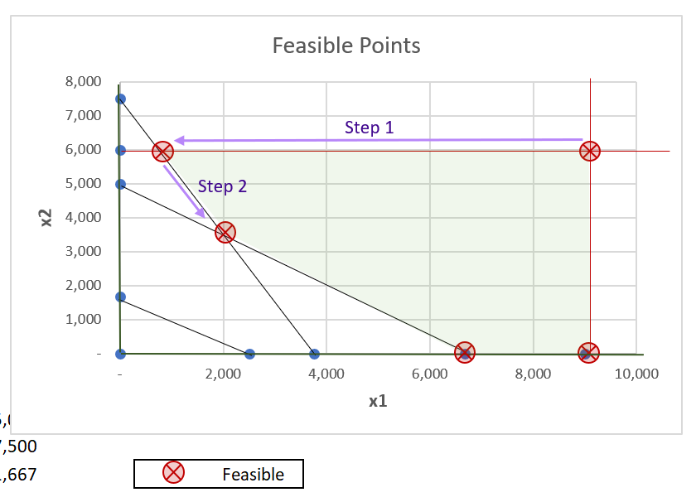
 |  |  |  |  |  |  | Var | Value | is Basic
 |  |  |  |  |  |  | s1 | (3,100) | TRUE
 |  |  |  |  |  |  | s2 | (3,300) | TRUE
 |  |  |  |  |  |  | s3 | (3,100) | TRUE
 |  |  |  |  |  |  | s4 | - | FALSE
 |  |  |  |  |  |  | s5 | - | FALSE

Calculations

 | Objective Function | 20.00 | 15.00

i. Initialization of Basic Variables

Iteration 0: Setup
Basic | z | x1 | x2 | s1 | s2 | s3 | s4 | s5 | Solution
s1 | 0 | 0.30 | 0.40 | -1.00 | 0 | 0 | 0 | 0 | 2,000.00
s2 | 0 | 0.40 | 0.20 | 0 | -1.00 | 0 | 0 | 0 | 1,500.00
s3 | 0 | 0.20 | 0.30 | 0 | 0 | -1.00 | 0 | 0 | 500.00
x1 | 0 | 1.00 | 0 | 0 | 0 | 0 | 1.00 | 0 | 9,000.00
x2 | 0 | 0 | 1.00 | 0 | 0 | 0 | 0 | 1.00 | 6,000.00
z | 1.00 | -20.00 | -15.00 | 0 | 0 | 0 | 0 | 0 | 0

Iteration 1: Make s1, s2, and s3 identity
Basic | z | x1 | x2 | s1 | s2 | s3 | s4 | s5 | Solution | Calculation
s1 | 0 | -0.30 | -0.40 | 1.00 | 0 | 0 | 0 | 0 | -2,000.00 | =K27 * $F$27
s2 | 0 | -0.40 | -0.20 | 0 | 1.00 | 0 | 0 | 0 | -1,500.00 | =K28 * $G$28
s3 | 0 | -0.20 | -0.30 | 0 | 0 | 1.00 | 0 | 0 | -500.00 | =K29 * $H$29
x1 | 0 | 1.00 | 0 | 0 | 0 | 0 | 1.00 | 0 | 9,000.00
x2 | 0 | 0 | 1.00 | 0 | 0 | 0 | 0 | 1.00 | 6,000.00
z | 1.00 | -20.00 | -15.00 | 0 | 0 | 0 | 0 | 0 | 0

Iteration 2: Make x1 identity
Basic | z | x1 | x2 | s1 | s2 | s3 | s4 | s5 | Solution | Calculation
s1 | 0 | 0 | -0.40 | 1.00 | 0 | 0 | 0.30 | 0 | 700.00 | =K36 - $D36 * K$48
s2 | 0 | 0 | -0.20 | 0 | 1.00 | 0 | 0.40 | 0 | 2,100.00 | =K37 - $D37 * K$48
s3 | 0 | 0 | -0.30 | 0 | 0 | 1.00 | 0.20 | 0 | 1,300.00 | =K38 - $D38 * K$48
x1 | 0 | 1.00 | 0 | 0 | 0 | 0 | 1.00 | 0 | 9,000.00
x2 | 0 | 0 | 1.00 | 0 | 0 | 0 | 0 | 1.00 | 6,000.00 | =K40 - $D40 * K$48
z | 1.00 | 0 | -15.00 | 0 | 0 | 0 | 20.00 | 0 | 180,000.00 | =K41 - $D41 * K$48

Iteration 3: Make x2 identity
Basic | z | x1 | x2 | s1 | s2 | s3 | s4 | s5 | Solution | Calculation | Ratio
s1 | 0 | 0 | 0 | 1.00 | 0 | 0 | 0.30 | 0.40 | 3,100.00 | =K45 - $E45 * K$58 | 10,333.33
s2 | 0 | 0 | 0 | 0 | 1.00 | 0 | 0.40 | 0.20 | 3,300.00 | =K46 - $E46 * K$58 | 8,250.00
s3 | 0 | 0 | 0 | 0 | 0 | 1.00 | 0.20 | 0.30 | 3,100.00 | =K47 - $E47 * K$58 | 15,500.00
x1 | 0 | 1.00 | 0 | 0 | 0 | 0 | 1.00 | 0 | 9,000.00 | =K48 - $E48 * K$58 | 9,000.00
x2 | 0 | 0 | 1.00 | 0 | 0 | 0 | 0 | 1.00 | 6,000.00
z | 1.00 | 0 | 0 | 0 | 0 | 0 | 20.00 | 15.00 | 270,000.00 | =K50 - $E50 * K$58

ii. Optimize (see last step for min ratio used in iteration 4)

Iteration 4: s2 leaves basis, and now s4 apart of basis
Basic | z | x1 | x2 | s1 | s2 | s3 | s4 | s5 | Solution | Calculation | Ratio
s1 | 0 | 0 | 0 | 1.00 | -0.75 | 0 | 0 | 0.25 | 625.00 | =K54 - $I54 * K$66 | 2,500.00
s4 | 0 | 0 | 0 | 0 | 2.50 | 0 | 1.00 | 0.50 | 8,250.00 | =K55 / $I55 | 16,500.00
s3 | 0 | 0 | 0 | 0 | -0.50 | 1.00 | 0 | 0.20 | 1,450.00 | =K56 - $I56 * K$66 | 7,250.00
x1 | 0 | 1.00 | 0 | 0 | -2.50 | 0 | 0 | -0.50 | 750.00 | =K57 - $I57 * K$66
x2 | 0 | 0 | 1.00 | 0 | 0 | 0 | 0 | 1.00 | 6,000.00 | =K58 - $I58 * K$66 | 6,000.00
z | 1.00 | 0 | 0 | 0 | -50.00 | 0 | 0 | 5.00 | 105,000.00 | =K59 - $I59 * K$66

Iteration 4: s1 leaves basis, and now s5 apart of basis
Basic | z | x1 | x2 | s1 | s2 | s3 | s4 | s5 | Solution | Calculation
s5 | 0 | 0 | 0 | 4.00 | -3.00 | 0 | 0 | 1.00 | 2,500.00 | =K65 / $J$65
s4 | 0 | 0 | 0 | -2.00 | 4.00 | 0 | 1.00 | 0 | 7,000.00 | =K66 - $J66 * K$74
s3 | 0 | 0 | 0 | -0.80 | 0.10 | 1.00 | 0 | 0 | 950.00 | =K67 - $J67 * K$74
x1 | 0 | 1.00 | 0 | 2.00 | -4.00 | 0 | 0 | 0 | 2,000.00 | =K68 - $J68 * K$74
x2 | 0 | 0 | 1.00 | -4.00 | 3.00 | 0 | 0 | 0 | 3,500.00 | =K69 - $J69 * K$74
z | 1.00 | 0 | 0 | -20.00 | -35.00 | 0 | 0 | 0 | 92,500.00 | =K70 - $J70 * K$74

Final Note
Since all variables contained in z's equation are negative (except z itself), we have arrived at the optimal solution.
Optimal Profit ($): |  | 92,500 | =K79

